Sheet1
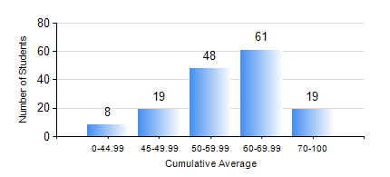
 |  |  | KWAME NKRUMAH UNIVERSITY OF SCIENCE AND TECHNOLOGY, KUMASI Department of Materials Engineering

 |  |  | BSC. MATERIALS ENG.

 |  |  | COMPREHENSIVE RECORD OF EXAMINATION RESULTS

 |  |  | RESULTS OF YEAR 3 FIRST SEMESTER, 2022/2023 ACADEMIC YEAR

 | Sn | Course Code |  | Course Name | Credit Hours | Min. Mark | Max. Mark | Avg. Mark | Std. Dev. | No. Passed | No. Trailed | No. (Df) | No. (I) | No. (I*) | No. Tagged(I,I*,Df) | Total
 | 0. |  |  |  |  |  |  | 0 | 0 | 0 | 0 | 0 | 0 | 0 | 0 | 10
 | 1. | MSE 351 |  | ENGINEERING CERAMICS | 3 | 23 | 98 | 60 | 16.34 | 132 | 12 | 0 | 1 | 0 | 1 | 145
 | 2. | MSE 353 |  | PYROMETALLURGY | 3 | 23 | 93 | 62 | 14.07 | 138 | 6 | 0 | 1 | 0 | 1 | 145
 | 3. | MSE 355 |  | POLYMER PROCESSING | 2 | 25 | 94 | 62 | 15.88 | 135 | 9 | 0 | 1 | 0 | 1 | 145
 | 4. | MSE 357 |  | FOUNDRY TECHNOLOGY | 3 | 29 | 98 | 68 | 16.27 | 139 | 5 | 0 | 1 | 0 | 1 | 145
 | 5. | MSE 359 |  | MATERIALS PROCESSING LABORATORY | 2 | 41 | 86 | 68 | 8.5 | 145 | 0 | 0 | 0 | 0 | 0 | 145
 | 6. | MSE 361 |  | STRESS AND STRAIN ANALYSIS OF RIGID BODIES | 3 | 11 | 96 | 59 | 15.28 | 136 | 8 | 0 | 1 | 0 | 1 | 145
 | 7. | MSE 363 |  | MATERIALS CHARACTERIZATION TECHNIQUE | 2 | 24 | 95 | 55 | 13.55 | 131 | 12 | 1 | 1 | 0 | 2 | 145
 | 8. | STAT 253 |  | PROBABILITY AND STATISTICS | 2 | 35 | 89 | 60 | 10.68 | 142 | 2 | 0 | 1 | 0 | 1 | 145

